Figure S1
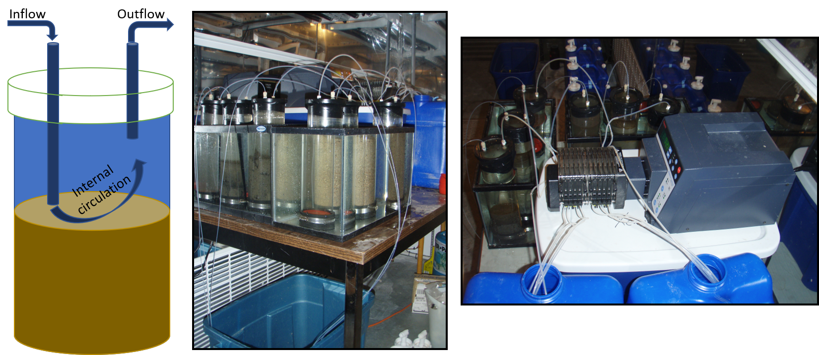
Figure S1. Sediment core flow through system set up. Left panel shows how water circulates overtop of the sediment surface to maintain an oxygenated water column and allow water to flow through the open system. Center panel shows a side profile of the core incubations. Right panel shows a top view of the flow throw system the links the blue carboys through a perisaltic pump to the input tubing to each sediment core.

Figure S2
Figure S2. relationship between nitrogen or phosphorus flux and benthic respiration or nitrogen and phosphorus flux within each waterbody type. Symbols indicated sampling period. Light shaded symbols are under ambient salt conditions. Dark shaded symbols are after salt enrichments
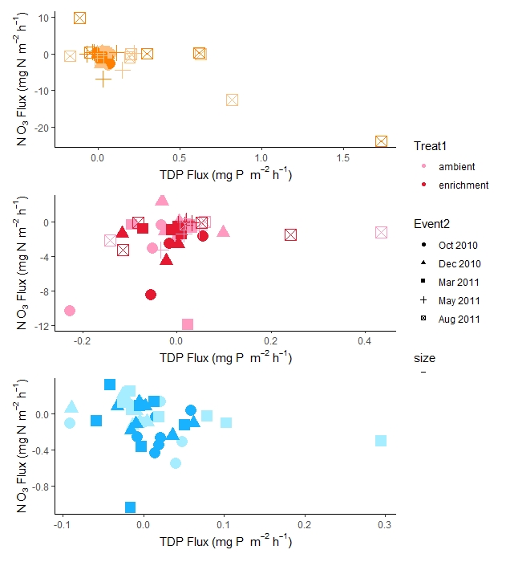
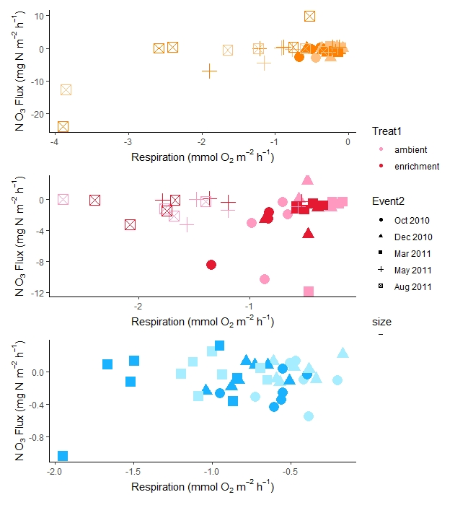
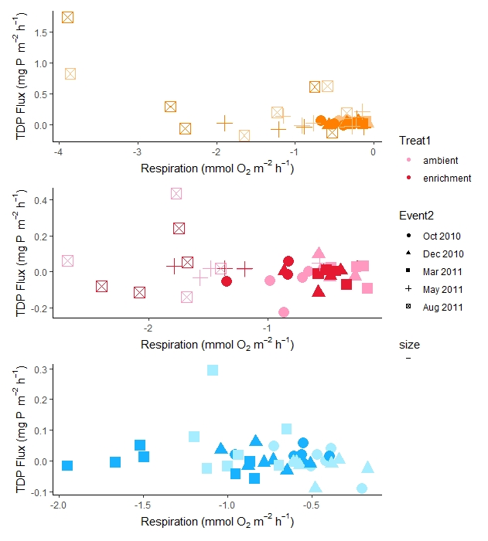
(a) Stream sites
(b) Stormwater pond sites
(c) Lake sites
(d) Stream sites
(e) Stormwater pond sites
(f) Lake sites
(g) Stream sites
(h) Stormwater
pond sites
(i) Lake sites

